1
EASTPAK | ARTICLE | EAN | DESCRIPTION | PICTURE | TOTAL
EASTPAK | EK62062S | 5400552852204 | PADDED PARK VIOLA |  | 99
EASTPAK | EK62047S | 5400552852105 | PADDED PARK VERDE | 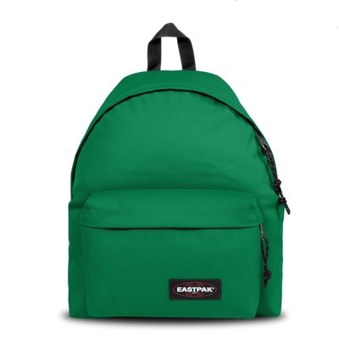 | 79
EASTPAK | EK62085R | 5400552852365 | PADDED INSULATE PURPLE |  | 135
EASTPAK | EK62025M | 5415320545455 | PADDED PAK'R CRAFTY BLUE |  | 299
EASTPAK | EK62027K | 5415254589778 | PADDED PAK'R | 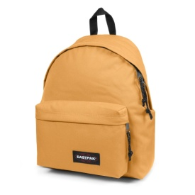 | 66
EASTPAK | EK62089R | 5400552958920 | PADDED PAK'R MARINO ESTAMPADA |  | 214
EASTPAK | EK62081P | 5400552167964 | PADDED PAK'R BLUE | 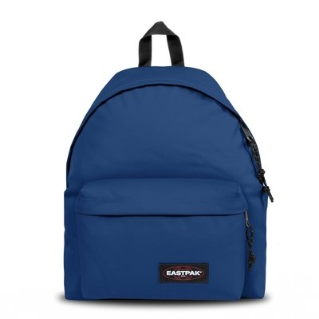 | 169
 |  |  |  |  | 1061

